Pitchmap Top View
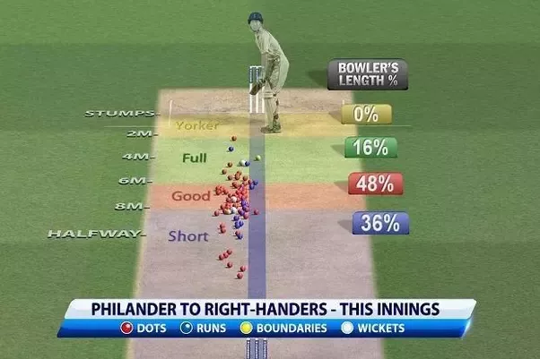
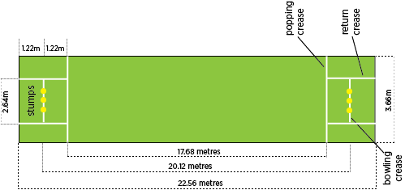
STUMPS -
Yorkers - 10 %
Pitch Dimentions | 3.05 meters | 20.12 meters |  |  |  | Dot balls | Runs | Boundaries | Wickets
 | X | Y | From Stumps | Result | Ball Length | D | R | B | W | 0 | %
 | 2.63 | 1.26 | 18.86 | D | S | 1.26 | #N/A | #N/A | #N/A | 1
2m -
 | 2.24 | 18.92 | 1.2 | D | Y | 18.92 | #N/A | #N/A | #N/A | 2 | Yorkers - 10 % | Yorkers - | 3
 | 3.03 | 8.53 | 11.59 | B | S | #N/A | #N/A | 8.53 | #N/A | 3
4m -
Full - 23.33 %
 | 0.1 | 10.38 | 9.74 | W | S | #N/A | #N/A | #N/A | 10.38 | 4
 | 0.93 | 13.99 | 6.13 | R | G | #N/A | 13.99 | #N/A | #N/A | 5 | Full - 23.33 % | Full - | 7
6m -
 | 1.34 | 11.4 | 8.72 | D | S | 11.4 | #N/A | #N/A | #N/A | 6
Good - 10 %
 | 1.73 | 17.85 | 2.27 | R | F | #N/A | 17.85 | #N/A | #N/A | 7
8m -
 | 2.14 | 5.36 | 14.76 | D | S | 5.36 | #N/A | #N/A | #N/A | 8 | Good - 10 % | Good - | 2
 | 1.07 | 15.66 | 4.46 | B | F | #N/A | #N/A | 15.66 | #N/A | 9
HALFWAY -
 | 2.99 | 6.85 | 13.27 | B | S | #N/A | #N/A | 6.85 | #N/A | 10
 | 1.73 | 19.36 | 0.76 | R | Y | #N/A | 19.36 | #N/A | #N/A | 11
 | 2.76 | 15.38 | 4.74 | W | F | #N/A | #N/A | #N/A | 15.38 | 12
Short - 56.67 %
 | 1.75 | 16.74 | 3.38 | W | F | #N/A | #N/A | #N/A | 16.74 | 13 | Short - 56.67 % | Short - | 11
 | 0.57 | 2.18 | 17.94 | D | S | 2.18 | #N/A | #N/A | #N/A | 14
 | 0.15 | 13.72 | 6.4 | D | G | 13.72 | #N/A | #N/A | #N/A | 15
 | 2.71 | 15.13 | 4.99 | R | F | #N/A | 15.13 | #N/A | #N/A | 16
 | 2 | 19.17 | 0.95 | R | Y | #N/A | 19.17 | #N/A | #N/A | 17
 | 2.38 | 5.35 | 14.77 | D | S | 5.35 | #N/A | #N/A | #N/A | 18
 | 0.07 | 10.85 | 9.27 | W | S | #N/A | #N/A | #N/A | 10.85 | 19
 | 1.75 | 5.14 | 14.98 | D | S | 5.14 | #N/A | #N/A | #N/A | 20
 | 1.94 | 1.91 | 18.21 | B | S | #N/A | #N/A | 1.91 | #N/A | 21
 | 2.56 | 9.37 | 10.75 | D | S | 9.37 | #N/A | #N/A | #N/A
Dots
Runs
Boundaries
Wickets
 | 0.66 | 16.88 | 3.24 | R | F | #N/A | 16.88 | #N/A | #N/A
 | 2.54 | 0.23 | 19.89 | D | S | 0.23 | #N/A | #N/A | #N/A
 | 2.09 | 5.22 | 14.9 | W | S | #N/A | #N/A | #N/A | 5.22
 | 0.39 | 10.84 | 9.28 | D | S | 10.84 | #N/A | #N/A | #N/A
 | 1.95 | 14.53 | 5.59 | R | F | #N/A | 14.53 | #N/A | #N/A
 | 1.88 | 2.6 | 17.52 | R | S | #N/A | 2.6 | #N/A | #N/A
 | 0.05 | 3.23 | 16.89 | R | S | #N/A | 3.23 | #N/A | #N/A
 | 0.29 | 12.9 | 7.22 | D | G | 12.9 | #N/A | #N/A | #N/A
 |  |  |  | TOTAL BALLS | 30

